Jul-Geor
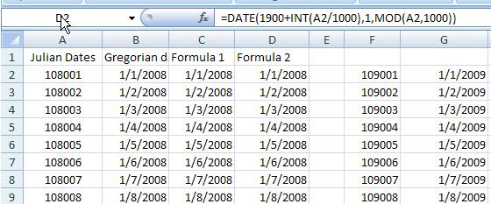
108001 | 2008-01-01 | 2008-01-01 | 39448 | 2012 | 4 | 19
108002 | 2008-01-02 | 2008-01-02 | 39449 | 2012-04-19
108003 | 2008-01-03 | 2008-01-03 | 39450
108004 | 2008-01-04 | 2008-01-04 | 39451
108005 | 2008-01-05 | 2008-01-05 | 39452 | 41018
108006 | 2008-01-06 | 2008-01-06 | 39453
108007 | 2008-01-07 | 2008-01-07 | 39454
108008 | 2008-01-08 | 2008-01-08 | 39455
108009 | 2008-01-09 | 2008-01-09 | 39456
108010 | 2008-01-10 | 2008-01-10 | 39457
108011 | 2008-01-11 | 2008-01-11 | 39458 | 0
108012 | 2008-01-12 | 2008-01-12 | 39459 | 0.1
108013 | 2008-01-13 | 2008-01-13 | 39460 | 39682
108014 | 2008-01-14 | 2008-01-14 | 39461 | 39682
108015 | 2008-01-15 | 2008-01-15 | 39462 | 39501
202512 | 2103-05-27 | 2103-05-27 | 74292 | 41095
 |  |  |  | 2012-10-14
 |  |  |  | 10/14/12

Geor-Jul
onverting Gregorian calendar date to Julian Day Number
The algorithm is valid for all Gregorian calendar dates starting on March 1, 4801 BC (astronomical year -4800) at noon UT.[14]
You must compute first:
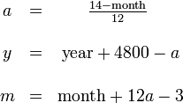
 | 2012-03-18 | month | 2
then compute: |  | year | 2313

 |  | a= | 1
 |  | y= | 7112
 |  | m= | 11
 |  | day | 17
 |  | Hour= | 13
 |  | Minute= | 11
 |  | seconds= | 34

 |  |  |  |  | 2640044.8926

 |  | 153m+2/5 | 337 | 337
 |  | 365y | 2595880 | 2487657
 |  | y/4 | 1778 | 1703
 |  | y/100 | 71 | 68
 |  | y/400 | 17 | 17
 |  | Const. | 32045
2559560 |  | Hour | 0.041666666667
 |  | Minute | 0.0076388888889
 |  | second | 0.00039351851852

 |  | JDN= | 2565912.04970
 |  |  | 2456052.0585

lunar month duration | 29.53059 days

ntroduction:

The Julian date (JD) is a continuous count of days from 1 January 4713 BC (= -4712 January 1), Greenwich mean noon (= 12h UT). For example, AD 1978 January 1, 0h UT is JD 2443509.5 and AD 1978 July 21, 15h UT, is JD 2443711.125.

Formula for Conversion:

Conversion of Gregorian calendar date to Julian date for years AD 1801–2099 can be carried out with the following formula:

JD = | 367K - <(7(K+<(M+9)/12>))/4> + <(275M)/9> + I + 1721013.5 + UT/24
 | - 0.5sign(100K+M-190002.5) + 0.5

where K is the year (1801 <= K <= 2099), M is the month (1 <= M <= 12), I is the day of the month (1 <= I <= 31), and UT is the universal time in hours ("<=" means "less than or equal to"). The last two terms in the formula add up to zero for all dates after 1900 February 28, so these two terms can be omitted for subsequent dates. This formula makes use of the sign and truncation functions described below:

The sign function serves to extract the algebraic sign from a number.
Examples: sign(247) = 1; sign(-6.28) = -1.

The truncation function < > extracts the integral part of a number.
Examples: <17.835> = 17; <-3.14> = -3.

The formula given above was taken from the 1990 edition of the U.S. Naval Observatory's Almanac for Computers (discontinued).

Example: Compute the JD corresponding to 1877 August 11, 7h30m UT.
Substituting K = 1877, M = 8, I = 11 and UT = 7.5,
JD = 688859 - 3286 + 244 + 11 + 1721013.5 + 0.3125 + 0.5 + 0.5
2406842.8125

See our Julian date converter.

j = j - 1721119 ;
y = (4 * j - 1) / 146097 ; j = 4 * j - 1 - 146097 * y ; d = j / 4 ;
j = (4 * d + 3) / 1461 ; d = 4 * d + 3 - 1461 * j ; d = (d + 4) / 4 ;
m = (5 * d - 3) / 153 ; d = 5 * d - 3 - 153 * m ; d = (d + 5) / 5 ;
y = 100 * y + j ;
if m < 10 then
m = m + 3
else
m = m - 9 ; y = y + 1
end if

Variables (all variables and results are integers):
y = year (eg. 1999); m = month; d = day; j = Julian Day Number

